Defrost
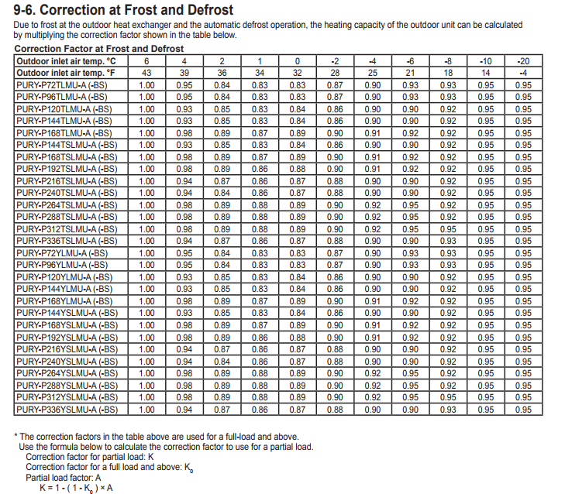
Typical Defrost Operation Ambient Capacity Mod - Full Load Only

Based on Assumed 70 deg F coil EAT:
 | CR = a + b*(OWB)+ c*(OWB)^2 + d*(OWB)^3

 | Curve Coefficients
 | A | B | C | D
 | 0.99213014288 | 0.0075489945154 | -0.0010 | 1.8344360644E-05

 | OWB | CR
 | 43 | 0.9946258293
 | 39 | 0.90996307125
 | 36 | 0.87169999721
 | 34 | 0.85655647658
 | 32 | 0.84867782807
 | 28 | 0.85119303018
 | 25 | 0.86560078433
 | 21 | 0.89585619688
 | 18 | 0.92297924582
 | 14 | 0.9594019007
 | 10 | 0.98966287164
 | 5 | 1.0080927663
 | 0 | 0.99213014288
 | -4 | 0.94535187341

