Cut and Paste
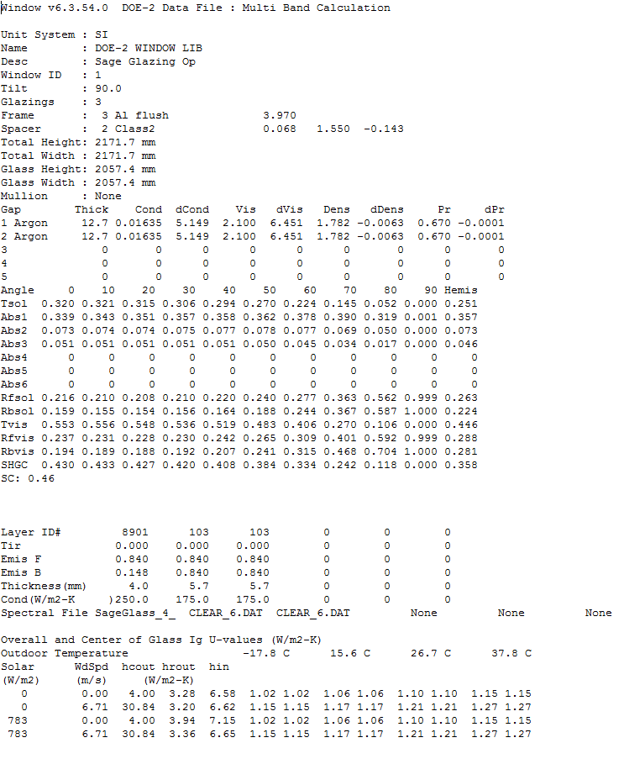
Detailed Windows6 Output Example | Inputs Table |  | Outputs Table
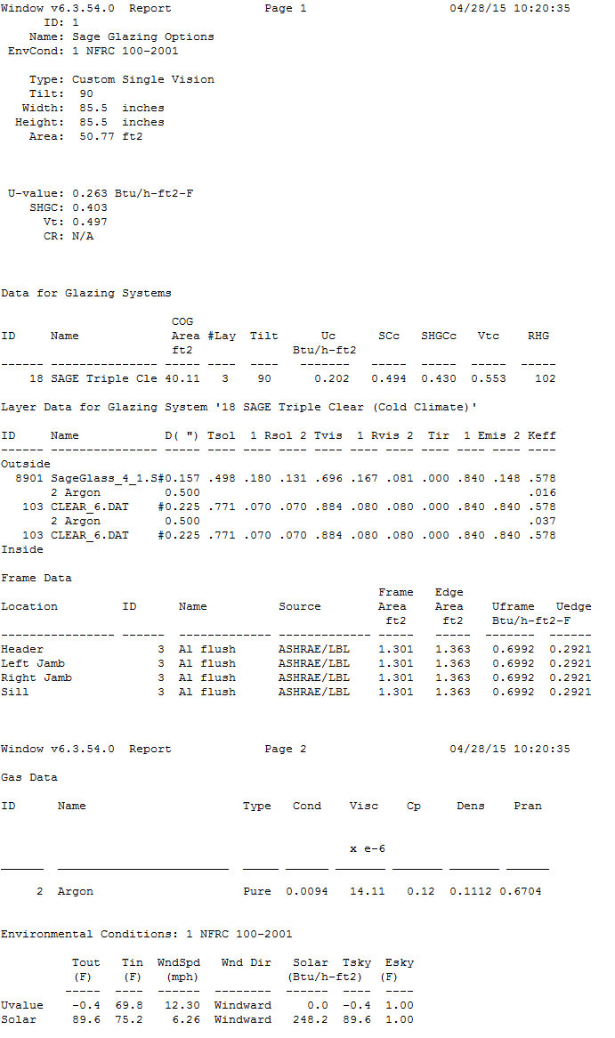
 | Glass Number | 2877 | $LIBRARY-ENTRY 2877 GLASS-TYPE-CODE Double Electro
 | Glass Name | SageGlass SR2 Triple low-e 0.5 Argon Tint | $2877: SageGlass SR2 Triple low-e 0.5 Argon Tint
 | Number of Layers | 3 | DESCRIPTION="2877: U=0.14 SHGC=0.35"
 | Rbsol-Hemi | 0.301 | DRAWING=50027
 | Rbvis-Hemi | 0.267 | NLAYER = 3
 | SHGCc | 0.35 | RBSOL-HEMI = 0.301
 | U-CENTER | 0.14 | RBVIS-HEMI = 0.267
 | Gap #1 | Air | SHDCOF = 0.4
 | Gap #2 | Air | U-CENTER = 0.44
 | Gap #1 Thinknes (inches) | 0.480 | GAPS-FILL = (Air, Air, Air, Air)
 | Gap #2 Thinknes (inches) | 0.480 | GAPS-THICK = (12.2, 12.2, 0.0, 0.0)
 | Tsol 0 | 0.003 | GAPS-COND = ( 0.01706, 0.01706, 0.00000, 0.00000)
 | Tsol 10 | 0.003 | GAPS-DCOND = ( 5.392, 5.392, 0.000, 0.000)
 | Tsol 20 | 0.003 | GAPS-VISC = ( 2.066, 2.066, 0.000, 0.000)
 | Tsol 30 | 0.003 | GAPS-DVISC = ( 6.311, 6.311, 0.000, 0.000)
 | Tsol 40 | 0.002 | GAPS-DENS = ( 1.733, 1.733, 0.000, 0.000)
 | Tsol 50 | 0.002 | GAPS-DDENS = (-0.0061, -0.0061, 0.000, 0.000)
 | Tsol 60 | 0.002 | GAPS-PR = ( 0.676, 0.676, 0.000, 0.000)
 | Tsol 70 | 0.001 | GAPS-DPR = (-0.0001, -0.0001, 0.00000, 0.00000)
 | Tsol 80 | 0.000 | TSOL = ( 0.003, 0.003, 0.003, 0.003, 0.002, 0.002, 0.002, 0.001,
 | Tsol 90 | 0.000 | 0.000, 0.000, 0.002)
 | Tsol Hemis | 0.002 | TVIS = ( 0.008, 0.008, 0.008, 0.007, 0.006, 0.005, 0.004, 0.002,
 | Vtc 0 | 0.008 | 0.001, 0.000, 0.005)
 | Vtc 10 | 0.008 | ABS-1 = ( 0.882, 0.456, 0.456, 0.455, 0.453, 0.447, 0.431, 0.393,
 | Vtc 20 | 0.008 | 0.295, 0.000, 0.429)
 | Vtc 30 | 0.007 | ABS-2 = ( 0.001, 0.001, 0.001, 0.001, 0.001, 0.001, 0.001, 0.001,
 | Vtc 40 | 0.006 | 0.001, 0.001, 0.001)
 | Vtc 50 | 0.005 | PANES-ID = ( 8901, 103, 103, 0, 0)
 | Vtc 60 | 0.004 | PANES-TIR = ( 0.000,0.000,0.000,0.000,0.000)
 | Vtc 70 | 0.002 | PANES-EMIS-F= ( 0.840,0.840,0.840,0.000,0.000)
 | Vtc 80 | 0.001 | PANES-EMIS-B= ( 0.148,0.840,0.840,0.000,0.000)
 | Vtc 90 | 0.000 | PANES-THICK = ( 4.000,5.700,5.700,0.000,0.000)
 | Vtc Hemis | 0.005 | PANES-COND = (250.0, 175.0, 175.0, 0.0, 0.0)
 | Abs1-0 | 0.882 | ..
 | Abs1-10 | 0.456
 | Abs1-20 | 0.456
 | Abs1-30 | 0.455
 | Abs1-40 | 0.453
 | Abs1-50 | 0.447
 | Abs1-60 | 0.431
 | Abs1-70 | 0.393
 | Abs1-80 | 0.295
 | Abs1-90 | 0.000
 | Abs1-Hemis | 0.429
 | Abs2-0 | 0.001
 | Abs2-10 | 0.001
 | Abs2-20 | 0.001
 | Abs2-30 | 0.001
 | Abs2-40 | 0.001
 | Abs2-50 | 0.001
 | Abs2-60 | 0.001
 | Abs2-70 | 0.001
 | Abs2-80 | 0.001
 | Abs2-90 | 0.001
 | Abs2-Hemis | 0.001
 | Cond 1 | 0.01706
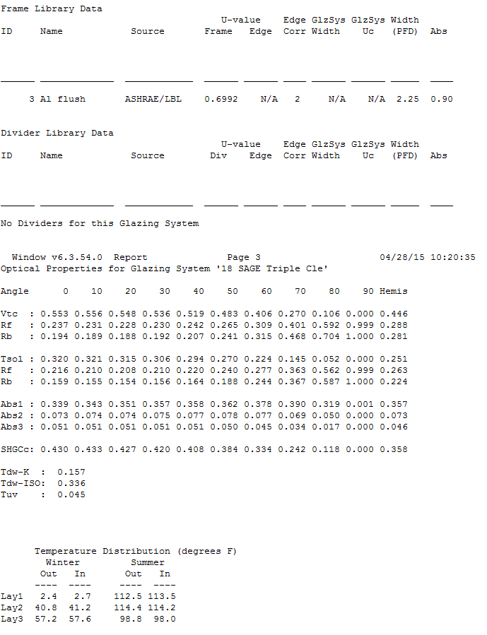
 | Cond 2 | 0.01706
 | Cond 3 | 0.00000
 | Cond 4 | 0.00000
 | dCond 1 | 5.392
 | dCond 2 | 5.392
 | dCond 3 | 0.000
 | dCond 4 | 0.000
 | Vis 1 | 2.066
 | Vis 2 | 2.066
 | Vis 3 | 0.000
 | Vis 4 | 0.000
 | dVis 1 | 6.311
 | dVis 2 | 6.311
 | dVis 3 | 0.000
 | dVis 4 | 0.000
 | Dens 1 | 1.733
 | Dens 2 | 1.733
 | Dens 3 | 0.000
 | Dens 4 | 0.000
 | dDens 1 | -0.0061
 | dDens 2 | -0.0061
 | dDens 3 | 0.000
 | dDens 4 | 0.000
 | Pr 1 | 0.676
 | Pr 2 | 0.676
 | Pr 3 | 0.000
 | Pr 4 | 0.000
 | dPr 1 | -0.0001
 | dPr 2 | -0.0001
 | dPr 3 | 0.00000
 | dPr 4 | 0.00000

DOE2 Windows6 Output Example

